Introduction
ESG FACTBOOK 12.11.2025

ESG at VOLKSWAGEN GROUP
1
ENVIRONMENT
2
SOCIAL
3
GOVERNANCE
4
JUST TRANSITION
5
APPENDIX
6

Table of Contents

1
ESG at VOLKSWAGEN GROUP
About this ESG Factbook
ESG ratings
Initiatives
Policies
Memberships
Sustainability reporting landscape at Volkswagen Group
Volkswagen Group´s sustainability strategy regenerate+
Volkswagen Group Governance: Two-Tier Board System
2
ENVIRONMENT
Environmental compliance management
Decarbonization
Resource use - water management
Resource use - circular economy
3
SOCIAL
Responsible employment
Workforce composition
Employee training and education
Diversity
Employee rights to participation - Freedom of association and collective bargaining
Work-life balance
Health and Safety
Supply chain management
Social Engagement
IT and data governance
Quality and safety of products and services
Responsible marketing & sales
Financial interactions and relations with governments
4
GOVERNANCE
Corporate Governance
Representation of interests
Integrity and compliance
5
JUST TRANSITION
Volkswagen`s just transition approach
Our people
Community engagement for a just transition
Respecting human rights along the supply chain
Decarbonization index (DCI)
6
APPENDIX
APPENDIX 1: Supply chain management metrics
APPENDIX 2: PAI scorecard 2024
APPENDIX 3: SASB index 2024

Disclaimer

 | The purpose of this publication is to aggregate and collect publicly available information from different sources. We have indicated these sources and included weblinks in the publication which at the time when adding to this list were available and were working properly. We cannot guarantee that the links will work at all time. The information in this publication contains forward-looking statements on the business development of the Volkswagen Group including (without limitation) statements containing the words "anticipates," "expects," "intends," "may," "plans," "forecasts," "projects," "will," "would", "targets," "believes" and similar words. These statements are based on the current expectations and projections of the Volkswagen Group about future events including assumptions in particular relating to the development of the economic, political and legal environment in individual countries, economic regions and markets, and in particular for the automotive industry, which we have made on the basis of the information available to us and which we consider to be realistic at the time of publication. Forward-looking statements are subject to inherent risks and uncertainties, such that future events and actual results may differ materially from those set forth in, contemplated by or underlying such forward-looking statements. Any changes in significant parameters relating to our key sales markets, or any significant shifts in exchange rates, energy and other commodities or the supply with parts relevant to the Volkswagen Group will have a corresponding effect on the development of our business. There can be no assurance that the Volkswagen Group's actual results will not differ materially from the expectations set forth in such forward-looking statements. The Volkswagen Group does not assume any obligation beyond that required by law to update the information, opinions or forward-looking statements in this publication. Any information contained in this publication, an

ESG at Volkswagen Group
ESG FACTBOOK 12.11.2025

ESG at VOLKSWAGEN GROUP

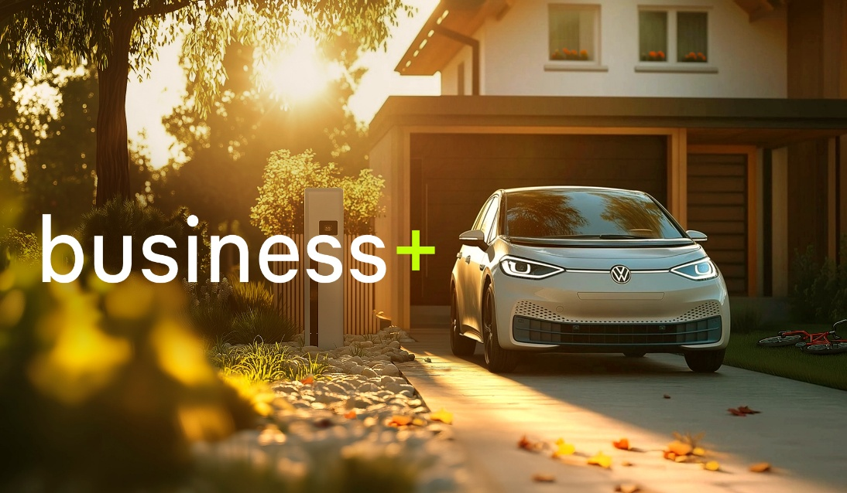
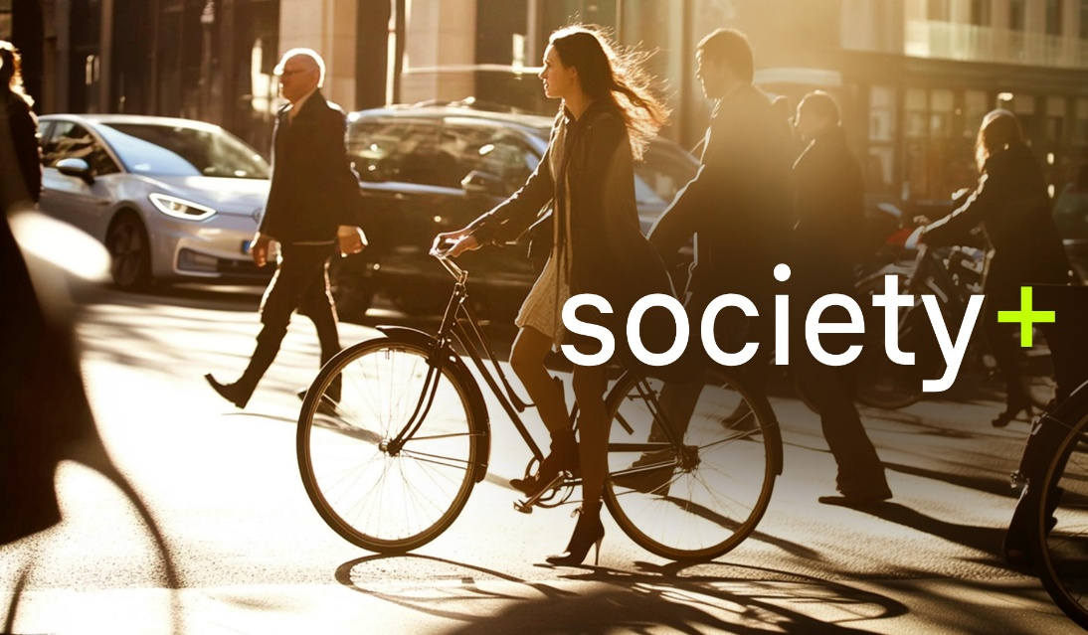
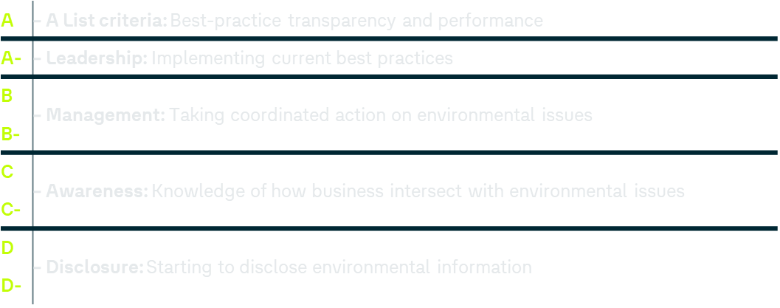
About this Factbook
Additional ESG Investor-relevant “Further Information” and references to existing sources for deeper insights
All ESG facts in one place – a centralized overview for efficient access
Increased ESG transparency through structured, comparable disclosures
Purpose & Objectives
The ESG Factbook focuses on providing both quantitative and qualitative references and “Further Information” across the core dimensions of Environmental, Social, and Governance sections. In addition to these pillars, the Factbook also addresses broader ESG-relevant topics such as Just Transition and other emerging themes. A detailed overview of all covered areas can be found in the table of contents.
Key Focus Areas
The ESG Factbook is primarily grounded in disclosures of the Annual Report 2024, with particular emphasis on the Sustainability Report 2024 as the core reference. To ensure a holistic and well-substantiated view, the Factbook also integrates insights from additional authoritative sources, including corporate policies, official websites, and other relevant governance documents.
Data Sources
The ESG Factbook is published annually in alignment with the regular sustainability reporting cycle. Interim updates may be issued as needed to reflect material developments. The publication frequency remains subject to review and may be adjusted over time.
Publication Frequency
The scope of the ESG Factbook is primarily derived from the Sustainability Report 2024, which serves as its main source of reference and provides the framework in terms of scoping. The “Volkswagen Group” scope covers all fully consolidated companies within the Volkswagen Group as detailed in the Sustainability Report 2024. In addition, the Factbook specifies the scope of the environmental, social and governance sections individually through the “coverage” column.
Scope
Initiatives
Sustainability is deeply rooted in the Volkswagen Group. Our responsibility is not limited to the company and our workforce but also includes society as a whole. Our initiatives are examples of how we fulfill this responsibility.
Volkswagen Group’s Website: Initiatives
Policies
The Volkswagen Group has made a commitment to sustainable, transparent and responsible management.
In line with the recommendations of the German Corporate Governance Code, we practice company-wide sustainability coordination and forward-looking risk management and aim for providing a clear framework for the future-oriented handling of environmental issues, employee responsibility and social engagement by our brands and in the various regions.
Voluntary commitments and principles that apply across the Group form the basis and backbone of our strategic sustainability objectives.
Volkswagen Group’s Website: Policies
Memberships
The Volkswagen Group is an active partner in global, national and topic-specific sustainability networks on various levels and projects.
Global sustainability networks We are participant in the United Nations Global Compact (UNGC), the world's largest initiative for sustainable corporate governance. Together with our brands, we are engaged in national and international key initiatives and contribute to advancing the implementation of the UN Sustainable Development Goals (SDGs).
The Volkswagen Group is a partner of the World Economic Forum (WEF) and an active member of the World Business Council for Sustainable Development (WBCSD).
Further information on National Sustainability Networks and Topic-specific Sustainability Networks can be found on our website.
Volkswagen Group’s Website: Memberships
Volkswagen Group Governance: Two-Tier Board System
Supervisory Board
20 members
10 shareholder representatives 10 employee representatives
Chairman: Hans Dieter Pötsch
The Supervisory Board is responsible for monitoring the Management and approving important corporate decisions. Moreover, it appoints the Members of the Board of Management and conforms to the German Co-determination Act.
Management Board
Currently 9 members
Chairman: Dr. Oliver Blume
The Management Board is responsible for managing the company in accordance with the applicable law, the Articles of Incorporation, and the By-Laws of the Supervisory and Management Boards, while taking into account the resolutions of the Shareholders’ Meeting. The work of the Management Board of Volkswagen AG is supported by the boards of the brands and regions as well as by the other group business units and holdings.
Shareholders’ Meeting Shareholders exercise their rights of participation and control
Appoints, Monitors and Advises
Reports
Elects shareholder representatives
Executive Committee
Mediation¹ Committee
Nomination Committee
Audit Committee
Reports
Ratifies
Ratifies
1. in accordance with Article 27, Section 3 of the German Co-determination Act (MitbestG)
Volkswagen Group´s sustainability strategy regenerate+
The world stands at a crossroad of societal and environmental shifts. This turning point is marked by unprecedented global challenges and uncertainties. Recognizing our role as the Volkswagen Group, we understand the imperative to actively participate in shaping today’s and future solutions. Our commitment is deeply rooted in our organization, embraced by all and driven by collective effort. As a pioneer of future mobility, we recognize our duty to make positive contributions for the benefit of nature and society – that is our mission and our goal.
This vision of becoming a nature and society positive mobility provider propels our new regenerate+ strategy.
Volkswagen Group’s Website: Sustainability Strategy
Target
TOP KPI
Quanti. Performance (FY2023)
Year
Quanti.
The Volkswagen Group wants to become a net-carbon-neutral company.
The Volkswagen Group is working to continuously reduce our demand of primary resources.
The Volkswagen Group supports biodiversity.
The Volkswagen Group fosters a diverse, inclusive, and holistic non-discriminatory culture.
The Volkswagen Group wants to be a unique employer leading teams to success.
The Volkswagen Group stands for excellent health and safety at work.
The Volkswagen Group shapes responsible and sustainable supply chains.
The Volkswagen Group is a reliable partner.
Reduction of CO_{2eq} Inventory
Share of Circular Materials
Biodiversity-Index
Proportion of diversity in management⁵
Ø Qualification hours per employee
Lost Time Injury Frequency Rate
Sustainability Performance of supplier in S-Rating
Global Reputation KPI
Scope 1+2
2030
2040
2030
2040
2040
-50%
40%¹
30h
< 1
> 95%
-33.7%²
on track
22.1h/ employee
3.6
79%
Scope 3 Cat.11
2030
-30%
-12%^{3,4}
Women
2025
20.2%
19.2%
Internationalization
2025
25%
25.6%
The Volkswagen Group increases the positive social impact of its actions.
The Volkswagen Group identifies and promotes sustainability-related business areas.
The Volkswagen Group strengthens and intensifies sustainable financing.
Social impact by donations and projects
Revenues from sustainable business models
Share of BEV
Share of Green Bonds
2030
2030 2040
50%
30% 50%
8.3%
13.3%⁶
Quanti. Performance (FY2024)
-51%²
12.5-26.2%
20.8h/ employee
6.4⁶
83%
-11%^{3,4}
19.9%
29.1%
> 60 Mio € > 200 projects
8.3%
23%⁷
Dimensions
¹ Ambition 2040 (world excl. China) for vehicle projects with SOP in 2040 and beyond ² absolute reduction target ³ intensity target measured per vehicle km ⁴ based on assumptions and information from markets EU+3, US, CN; value may be subject to change with base year recalculation process [see Group Annual Report 2024, p. 291]; ⁵ Diversity-Index with the Sub-KPIs Women in Management and Internationalization in Top Management; ⁶ new scope and metric in 2024; ⁷ implicit disclosed; point of reference: 11.03.2025
Our Vision: Becoming a nature and society positive mobility provider
Our commitments framing regenerate+
1 | We protect and strengthen our environment.
2 | We treat people with dignity and respect.
3 | We act with integrity and in compliance.
4 | We take responsibility towards society.
5 | We provide sustainable mobility and business models.
Further Info
Carbon Neutrality in 2040 (-90%)
Reference: body weight
The baseline value is 22.3 hours and is the average for the years 2015 to 2019.
Value per 1 million hours worked
Revenue percentage of direct suppliers with a positive S rating in total procurement volume
Carbon Neutrality in 2050 (-90%)
Status Annual Report 2024
Strategic target in development
Brand- and regional specific targets
Excluding Porsche AG & TRATON SE
KPI will be published with base year 2025
KPI in development with base year 2025
KPI will be published based on revised reputation study in 2025
Reduction of CO_{2eq} Inventory (e.g., DKI)
Share of Circular Materials
Proportion of diversity in management
Sustainability Performance of supplier in S-Rating
Revenues from sustainable business models
Share of Green Bonds
Lost Time Injury Frequency Rate
Social impact by donations and projects
Biodiversity-Index
Ø qualification hours per employee
Global Reputation KPI
Share of BEV
TOP KPIs Sustainability
Dimensions
Sustainable Development Goals
Business Driver
Employer Attractiveness
Social License to Operate
Buying Behavior
Conditions for Refinancing
1
2
3
4
5
6
7
8
9
10
11
12
Sustainability reporting landscape at Volkswagen Group
Sustainability reporting landscape at Volkswagen Group
Note: Presented above is a curated selection of ESG-related publications from the Volkswagen Group. The selection does not claim to be complete.
Annual Report containing the Sustainability Report (Combined non-financial statement, in full application of the ESRS)
ESG Factbook containing SASB, PAI scorecard and “Just Transition” statement
Green Finance Report based on Green Finance Framework
Responsible Raw Materials Report
Association Climate Review
Code of Conduct
Code of Conduct for Business Partners
For the reporting year 2024, Volkswagen AG issued a combined, non-financial statement (sustainability report) for the Volkswagen Group and Volkswagen AG. The ESRS were applied in full for the first time as a framework for the sustainability report (sustainability statement) as they provide the basis for the provisions on sustainability reporting in accordance with the CSRD. By doing so, Volkswagen also implicitly achieves GRI conformity, since there is a high level of interoperability accomplished between the European Sustainability Reporting Standards (ESRS) and the GRI Standards (more information see 1).
The Communication on Progress (CoP, see 2) of the UN Global Compact and the European Sustainability Reporting Standards (ESRS) are closely linked, in particular through CoP mapping (Communication on Progress Mapping). The ESRS currently comprises 12 standards, two of which are overarching standards setting out general requirements (ESRS 1) and general disclosures (ESRS 2). An additional ten topical standards address environmental, social and governance topics (more information see 3).
The ESG factbook is based on information gathered from the Volkswagen AG’s sustainability report, which was prepared on a consolidated basis. The scope of consolidation was identified using the consolidated financial statements as a basis. The report generally covers all fully consolidated companies within the Volkswagen Group, so does the factbook, if not explicitly stated otherwise.
1| EFRAG-GRI Joint Statement of Interoperability
2| UN Global Compact and the CoP (Annual Report 2024, p. 142)
3| COP-Mapping (UNGC)
ESG ratings
Analysts and investors are referring to companies’ sustainability profiles as well when making their recommendations and decisions. They draw on ESG ratings, among other things, to evaluate a company’s environmental, social and governance performance. At the same time, these ratings are instrumental in determining whether we are meeting our goal in relation to the Group’s strategy, and they are used to establish internal measures. Volkswagen’s ESG rating from ISS ESG was unchanged at C+ in fiscal year 2024. In the Sustainalytics rating, the Volkswagen Group remained stable with a “medium risk” score. Volkswagen also retained its B rating from MSCI and A- rating from CDP.
ESG RATING¹
2020
2023
2024
Trend
since 2020
Ambition Level 2030
MSCI
SUSTAINALYTICS
ISS ESG
CCC
B
B
Improve
rating level
41.1
Severe risk
26.4
Medium risk
26.8
Medium risk
Improve
“medium risk”
C
C+
Prime² status
C+
Prime status

Environment
ESG FACTBOOK 12.11.2025
Environmental compliance management
Decarbonization
Resource use - water management
Resource use - circular economy
ENVIRONMENT
2

ENVIRONMENT

 |  |  |  | CURRENT STATUS AT VOLKSWAGEN GROUP
 |  |  |  |  |  | Further information [quantitative]
#FB | ESG cluster | ESG topic | ESG performance indicator | Reference [link to source] | Further information [qualitative] | Title | Unit | 2024 | 2023 | 2022 | Notes & comments | Coverage
E.1 | Environmental compliance management | Environmental management | Environmental policy | Volkswagen Group environmental and energy policy statement |  |  |  |  |  |  |  | Volkswagen Group
E.2 |  |  |  | Environmental and energy policy of Volkswagen Aktiengesellschaft
E.3 |  |  |  | Group Environmental Mission Statement „goTOzero“
E.4 |  |  | Internal audits |  | Internal audits are conducted regularly across the Group using risk-based approaches. For example, Volkswagen’s multi-site certification covers 23 production sites, including VW Passenger Cars, Commercial Vehicles, and Group Components. Annual audit programs are developed, with results reported to management and systematically tracked by the responsible departments. |  |  |  |  |  |  | Volkswagen Group
E.5 |  |  | Corrective action processes and internal communication |  | A Group-wide continuous improvement process is in place to identify, document, and monitor appropriate improvement measures. Centrally coordinated ECMS reports, which are distributed internally, provide an overview of the annual ECMS status and highlight needs for action. The reports include information from all production sites and are tailored to the requirements of ISO 14001, ISO 50001, and an internal Group Policy for the ECMS. Critical environmental deviations are summarized in an internal 'Hot Topic Report'. |  |  |  |  |  |  | Volkswagen Group
E.6 |  |  | Environmental management system | Policy: Resource use and circular economy - Sustainability Report 2024 (AR 2024, p. 329) |  | Sites with ISO 14001 certification or EMAS validation | Number Share of total sites (in relation to number of employees) | 106 99.7 % | 106 99.9 % | 105 98.3 % |  | Volkswagen Group and companies under operational control
E.7 |  |  |  | Environmental managenent overarching policies - Sustainability Report 2024 (AR 2024, p. 256-258)
E.8 |  |  |  | Addressing qualitative environmental aspects in production - Sustainability Report 2024 (AR 2024, p. 261-262)
E.9 |  | Energy management | Energy management system |  |  | Sites with ISO 50001 certification | Number Share of total sites (in relation to final energy consumption) | 69 91.9 % | 64 88.5 % | 61 80.0 % |  | Volkswagen Group and companies under operational control
E.10 |  |  | Energy use reduction targets and progress report | Increasing energy efficiency at production sites - Sustainability Report 2024 (AR 2024, p. 274) |  |  |  |  |  |  |  | Volkswagen Group
E.11 |  |  |  | Energy consumption and mix - Sustainability Report 2024 (AR 2024, p. 287)
E.12 |  |  | Measures to reduce energy use | Increasing vehicle efficiency - Sustainability Report 2024 (AR 2024, p. 281) |  |  |  |  |  |  |  | Volkswagen Group
E.13 |  |  |  | Energy-efficient vehicle production - Sustainability Report (AR 2024, p. 279)
E.14 | Decarbonization | Ambitons & target setting | Paris and net zero emissions by 2050 alignment | Committment to the Paris Climate Agreement and our climate tagrets - Sustainability Report 2024 (AR 2024, p. 268) |  |  |  |  |  |  |  | Volkswagen Group
E.15 |  |  | Scope 1, 2, 3 targets and SBTI conformity | Targets: climate change - Sustainability Report 2024 (AR 2024, p. 271) |  |  |  |  |  |  |  | Volkswagen Group
E.16 |  |  |  | Consideration of climate scenarios with respect to the decarbonization levers - Sustainability Report 2024 (AR 2024, p. 272-278)
E.17 |  | Measures & action plan | Climate transition plan | Climate change - Sustainability Report 2024 (AR 2024, p. 267) | The chapter on climate change encompasses the climate transition plan of the Volkswagen Group. |  |  |  |  |  |  | Volkswagen Group
E.18 |  |  | Main levers | Actions and resources: climate change - Sustainability Report 2024 (AR 2024, p. 278-287) |  |  |  |  |  |  |  | Volkswagen Group (passenger cars and light commercial vehicles)
E.19 |  |  | Offsetting | GHG removals and GHG mitigation projects - Sustainability Report 2024 (AR 2024, p. 295-297) |  |  |  |  |  |  |  | Volkswagen Group (passenger cars and light commercial vehicles)
E.20 |  | Climate-related risk and opportunies | Climate related scenario analyses | Material impacts and risks and their interaction with strategy and business model - Sustainability Report 2024 (AR 2024, p. 264-267) |  |  |  |  |  |  |  | Volkswagen Group
E.21 |  |  |  | Consideration of climate scenarios with respect to the decarbonization levers - Sustainability Report 2024 (AR 2024, p. 275)
E.22 |  |  | Risk and opportunity analysis | Results of the materiality assessment - Sustainabilty Report 2024 (AR 2024, p. 253) |  |  |  |  |  |  |  | Volkswagen Group
E.23 |  |  |  | Impacts relating to climate change mitigation and energy, process description and results of the climate risk analysis - Sustainability Report 2024 (AR 2024, p. 266)
E.24 |  |  |  | Strategy: climate change resilience - Sustainability Report 2024 (AR 2024, p. 269-270)
E.25 |  |  | TCFD reporting |  | The TCFD recommendations regarding the disclosure of climate related risks and opportunities form part of the ESRS standard (see E.20 Risk and opportunity analysis) |  |  |  |  |  |  | Volkswagen Group
E.26 |  | Climate governance | Board responsibility and organization | Management and coordination - Sustainable value enhancement (AR 2024, p. 142) | The core elements include assumption of cross-functional overall responsibility for sustainability by the chair of the Board of Management of Volkswagen AG, specification of the competence of the responsible board members for specific sustainability management concepts; and the position of Chief Sustainability Officer for the sustainability strategy as a whole at Group level. This includes the responsibility for climate and CO2 management. |  |  |  |  |  |  | Volkswagen Group
E.27 |  |  |  | Organization of environmental protection - Sustainable value enhancement (AR 2024, p. 144)
E.28 |  |  | Supervisory board climate competencies | Objectives for the composition of the supervisory board, profile of skills and expertise and diversity concept - Group corporate governance declaration (AR 2024, p. 34 f.) | The key skills and expertise that the Supervisory Board must have collectively are, in particular, knowledge, skills and professional experience in the field of sustainability, particularly with regard to environmental, social and governance aspects (ESG), e.g., in resources, supply chains, energy supply, corporate social responsibility, sustainable technologies and corresponding business models (sustainability/ESG). This includes climate and CO2 management. |  |  |  |  |  |  | Volkswagen Group
E.29 |  |  | Sustainability performance linked compensation for members of the Board of Management | Variable remuneration components, annual bonus, ESG factor - Remuneration report 2024 (AR 2024, p. 3) |  |  |  |  |  |  |  | Volkswagen Group
...

Social
ESG FACTBOOK 12.11.2025

SOCIAL
3
Responsible employment
Employee training and education
Employee rights to participation
Health and safety
Social engagement
Quality and safety of products and services
Workforce composition
Diversity
Work-life balance
Supply chain management
IT and data governance
Responsible marketing & sales

SOCIAL

 |  |  |  | CURRENT STATUS AT VOLKSWAGEN GROUP
 |  |  |  |  |  | Further information [quantitative]
#FB | ESG cluster | ESG topic | ESG performance indicator | Reference [link to source] | Further information [qualitative] | Title | Unit | 2024 | 2023 | 2022 | Notes & comments | Coverage
S.1 | Responsible employment | Responsible employment | Policy on employment security | Declaration on social rights |  |  |  |  |  |  |  | Volkswagen AG and controlled affiliated Group companies of Volkswagen AG
S.2 |  |  |  | Charter on labour relations within the Volkswagen Group |  |  |  |  |  |  |  | All companies and sites represented by the Volkswagen Group's European Group Works Council and Group Global Works Council
S.3 |  |  | Responsible employee restructuring | Processes: remediation of negative impacts and complaint channels - Sustainability Report 2024 (AR 2024, p. 376) |  |  |  |  |  |  |  | Volkswagen AG and further entities
...

Governance
ESG FACTBOOK 12.11.2025

Corporate Governance
Representation of interests
Financial interactions and relations with governments
Integrity and compliance
GOVERNANCE
4

GOVERNANCE

 |  |  |  | CURRENT STATUS AT VOLKSWAGEN GROUP
 |  |  |  |  |  | Further information [quantitative]
#FB | ESG cluster | ESG topic | ESG performance indicator | Reference [link to source] | Further information [qualitative] | Title | Unit | 2024 | 2023 | 2022 | Notes & comments | Coverage
G.1 | Corporate Governance | Board structure | Members of the Supervisory Board | Members of the Supervisory Board |  |  |  |  |  |  |  | Volkswagen AG
G.2 |  |  | Members of the Board of Management | Members of the Board of Management |  |  |  |  |  |  |  | Volkswagen AG
G.3 |  |  | Two-Tier Board System | Volkswagen Group Governance: Two-Tier Board System - Investor Relations Roadshow Presentation November 2024 (p. 57) |  |  |  |  |  |  |  | Volkswagen AG
...

Just Transition
ESG FACTBOOK 12.11.2025

JUST TRANSITION
5
Our people
Community engagement for a just transition
Volkswagen`s just transition approach
Respecting human rights along the supply chain
Decarbonization index (DCI)

JUST TRANSITION

Volkswagen`s just transition approach
The Volkswagen Group wants to create sustainable value – economically, ecologically and socially. This is one of the central guiding principles. It applies not only to the Group’s own products and production sites but also encompasses the Group’s upstream and downstream value chain. The Volkswagen Group translates this approach into its sustainable business strategy and thus anchors its sustainability issues at the center of its daily business. The aim is to live up to our own ambition and fulfil expectations and requirements of stakeholders, which are for example: customers, employees, investors, business partners, non-governmental organizations (NGOs) and society as a whole.
In December 2024, after intense negotiations, Volkswagen AG reached consensus with the IG Metall trade union and the works council on a joint "Zukunft Volkswagen" agreement. It is planned to realign production capacities at German Volkswagen sites. At the level of collective bargaining, this wage settlement under the company wage agreement until 2030 creates the conditions for financial labor cost savings of €1.5 billion a year. The short term labor cost savings as well as the structural measures agreed and savings on development costs should lead to cost effects of more than €4 billion a year in the medium term. In addition, there are plans to reduce technical capacity by 734,000 units in the German plants. To this end, the company and co-determination partners agreed not only on structural production measures but also on a socially responsible reduction in the workforce by more than 35,000 employees along the demographic curve at Volkswagen sites in Germany by 2030, thus creating the basis for making important investments in future products until 2030. For the resulting personnel measures, Human Resources has developed corresponding HR tools such as the “opportunities workshop”, to devise new employee-specific career opportunities for employees affected by the transformation. As of the end of 2024, no further specification of other tools such as retirement or severance programs had taken place. In order to secure employment, in recent years, a double-digit number of sites has already been successfully converted to the production of battery-electric vehicles or the components required for them. This approach serves as a blueprint for the further transformation of the Group’s sites and affected communities. Implementation of the Group’s emissions reduction strategy, in the context of the decarbonization strategy, requires extensive retraining and upskilling actions, some of which are already being implemented.
The Volkswagen Group is committed to the Paris Climate Agreement and aligns its own activities with the 1.5 degree goal. We aim to achieve net carbon neutrality by 2050. Decarbonization is a core component of Group activity and plays a key role in the Volkswagen Group strategy. Our decarbonization strategy applies to the entire Group. We do not yet have a Group-wide decarbonization plan within the meaning of ESRS E1 paragraph 16 is not yet in place, and the TRATON GROUP and MAN Energy Solutions do not have a transition plan. The progress of the transition plan is measured through the strategic metrics, which include Scope 1 and 2 emissions and the proportion of battery-electric vehicles (see the “GHG emissions” section as well as the “General information” chapter for further information). These also measure the progress of regenerate+. The decarbonization of the Volkswagen Group’s business model leads to profound transformations; not only in terms of technology and products, but also in terms of people working at the Volkswagen Group worldwide or along its complex value chains.
Our people
The Volkswagen Group invests in training, which helps to enable employees to maintain long-term employability even when requirements change. In 2024, the focus was on creating and expanding a program of digital training to be able to provide more varied learning content and skills for the future for a larger number of employees. The Volkswagen Group is implementing and integrating the Success Factors tool and the learning platform Degreed as a learning ecosystem for digital learning and self-directed training. This creates a common framework for the qualification of all employees in the Volkswagen Group based on and controlled by the Volkswagen Group Academy. The global rollout is taking place in defined stages. The plan is to complete the rollout to the Group companies included in Success Factors by the end of 2028. On the learning platform Degreed’s “Volkswagen Group” subsection, for example, seven new companies were added in the reporting year 2024, and user numbers increased by more than 25% from over 30,000 in 2023.
The Volkswagen Group’s efforts in the area of further training and qualification are also a response to the automotive industry’s far-reaching technological transformation in order to live up to rising societal expectations, international treaties, and political regulations that require targeted decarbonization of products and business processes. In this transformation process, the company is also opening up new fields of business and business models for which the employees concerned are trained.
This action contributes to the actual and potential positive impacts on employees by providing secure jobs. This is achieved through the development and expansion of digital training courses to strengthen employee qualifications for the purpose of improving their employability. As part of a just transition approach, the company actively shapes a socially responsible transformation process for its employees. The development and expansion of digital further training and the traditional training format offering are tracked through the strategic target of increasing average further training hours.
The core components of training at Volkswagen are vocational training and cooperative education (dual study programs combining university studies with on-the-job training). As of the end of 2024, the Volkswagen Group trained 17,201 young people. We have introduced the principle of dual vocational training at many of the Group’s international locations over the past few years and are continuously working on improvements. Even after their vocational training has been completed, young people at the start of their careers are encouraged to continue their professional development with our company.
The following strategic key performance indicators help us measure our progress and take remedial action if necessary:
Engagement indicator: The Group-wide opinion survey (Stimmungsbarometer) offered employees the opportunity to express their opinion, assessment, and criticism. It measured sentiment in the Group on an annual basis and also internal employer attractiveness in the Volkswagen Group. Employees’ opinions on the topics of integrity and cooperation are of particular interest. Managers are informed of the results of the opinion survey, highlighting areas for improvement within their departments. They are then asked to take action to make further improvements. In 2024, the opinion survey was temporarily suspended across the Group for revision purposes. For this reason, no employee satisfaction index score was calculated for 2024. However, the activities initiated based on the results of the 2023 opinion survey continued to have an effect in 2024 and will also continue to do so in sub sequent years. The revision of the Group employee survey includes a new IT system, a new questionnaire concept and improved follow-up processes for evaluating the results. The objective of the revision is to reinforce continuous dialog and further boost employee loyalty and motivation. After its revision, it will continue to be provided to all the companies as a tool. In 2023, 129 companies across 48 countries in which the Group operates participated in the opinion survey. This is equivalent to a participation rate of 86% of the entire workforce including the Chinese joint ventures. Of the 588,072 employees in the participating companies, 464,749 (79%) participated. The employee satisfaction index calculated from 22 questions is the main parameter of the opinion survey. It is calculated from the total of all the related answers in the survey and, in 2023, stood at 82.5 index points in the Volkswagen Group and at 75.8 in Volkswagen AG out of a possible total of 100 index points. The four strategic key performance indicators mentioned above help us measure our progress and take remedial action if necessary. There is a direct opportunity in the Volkswagen Group for employees to speak up about their own and the company’s interests, which has been used extensively in recent years, in the shape of the opinion survey. As part of the opinion survey, various aspects were highlighted in relation to an improvement in working conditions, including opportunities for employee development and qualification, a healthy work environment, participation opportunities and a good work-life balance. Within the organizational units employ-ees had the opportunity to work with their line managers to develop actions in these areas on the basis of the survey results. Global measures were also derived in the last years from this employee survey in order to improve working conditions and participation opportunities. In the reporting year, the opinion survey was suspended for the purpose of revision. The strategic goals/targets and milestones are structured and regularly measured using the OKR (Objectives and Key Results) method. Accordingly, strategic objectives and targeted key results are defined for all regenerate+ (sustainability strategy) dimensions and focus topics.
Diversity index: We have defined targets for the percentage of women in management and the international composition of our top management in order to promote diversity and equal opportunities. Since 2017, these two figures have been combined in the diversity index. Data for the diversity index is collected for the employees of the entire Volkswagen Group, excluding employees in the withdrawal phase of their time asset bonds (time asset bond: time credit from deferred compensation) and excluding vocational trainees and employees in the passive phase of their partial retirement. The proportion of women in management, comprised of management, senior management and top management (including members of the Group Board of Management and brand boards of management), amounted to 19.9% in 2024 and was 0.7 percentage points up on the prior year (19.2%). The intermediate target of 19% for 2024 was thus achieved. The Volkswagen Group wants to increase the proportion of women in management to 20.2% by 2025. This represents an increase of 8.1 percentage points compared with our baseline of 12.1% from 2016. The target of at least 25.0% by 2025 has been defined for the international composition of top management, the uppermost of the three management tiers. Achievement of the target would represent an increase of 8.0 percentage points compared with the baseline of 17.0%, also from 2016. This stood at 29.1 (25.6) % in the fiscal year now ended. The intermediate target of 24.1% for the reporting year was thus achieved. The figures for the proportion of women in management and the internationalization of top management are incorporated with equal weighting in the diversity index and the figures for the year 2016 set to an index value of 100. For 2024 it was planned to increase this index to 149. This target value was exceeded with a score of 168 (154).
Status of implementation of strategic workforce planning: Strategic workforce planning supplements operational HR planning by adding a qualitative, long-term and strategic planning perspective. It allows us to identify qualitative and quantitative surpluses and shortfalls in parts of the company at an early stage and derives necessary qualification, vocational training and restructuring requirements designed to help support the transformation. To map progress in strategic workforce planning, we measure the percentage of the active workforce (corresponding to the workforce excluding vocational trainees and employees in the passive phase of their partial retirement) included in the strategic workforce planning from 2023. The targets are being adjusted as part of the Group strategy revision, and reporting of the strategic KPI has been suspended for 2024 due to the ongoing efficiency programs.
Number of training hours per employee: The goal is to increase the average number of training hours per employee in the active workforce (here excluding employees in the withdraw-al phase of their time asset bonds) in the Volkswagen Group by 35% to 30 hours per year by 2030. The baseline value is 22.3 hours and represents the average for the base years 2015 to 2019. These years were chosen as the baseline due to the Covid-19 pandemic, which temporarily curtailed training activities in 2020 and 2021. The target for this strategic KPI for the reporting year was 26.0 hours. With an average of 20.8 (22.1) hours per employee, the target has not been met. The decrease in the number of training hours is due to the prioritized implementation of efficiency programs in the Group, with the result that the departments did not focus on measures to increase the number of training hours.
Community engagement for a just transition
We are aware that without long-term social legitimacy at our locations and in our markets, we will not be able to continue our business model in times of accelerated changes in values – this applies from an economic, environmental and social perspective. We see our employees as representatives of the Volkswagen Group who communicate our values to society. Digitalization and the transformation towards e-mobility means that we are on a long-term path of change and renewal. It is important to us to keep checking whether we are keeping to the course we have set out on and are achieving our goals.
Respecting human rights along the supply chain
As part of our sustainable supply management, the Volkswagen Group is also dedicated to protecting groups of people who may be adversely affected along the upstream and downstream supply chain. In order to achieve more impact here, we introduced the Human Rights Focus System (HRFS). With the HFRS we identify and work on issues that can be associated with human rights and environmental risks and that require more in-depth analysis. The objective is to implement suitable prevention and remedial measures that take into account the diverse and often structural causes of human rights violations. We continued to implement our activities as part of the raw materials due diligence management system in 2024 to manage the sometimes extensive risks in the upstream raw material supply chains. The management system currently comprises 18 high-risk raw materials, for which we use risk-based specific measures to identify, measure and, in particular, reduce sustainability risks. For our battery suppliers, transparency requirements constitute an important basis for responsible raw material purchasing. Within the framework of these contractual requirements, we require, for example, that our battery suppliers disclose their entire upstream supply chain before we award new contracts.
Decarbonization index (DCI)
Besides the four key performance indicators we also implemented the decarbonization index (DCI), in which we have an informative instrument that makes our progress and interim results in the area of decarbonization transparent and comprehensible and records them using software developed in-house. The methodology is based on the GHG Protocol and is published in its guidance2. The DCI measures the CO2e emissions by the brands that produce passenger cars and light commercial vehicles in the regions of Europe (EU27, United Kingdom, Norway and Iceland), China (including the Chinese joint ventures) and the USA over the entire life cycle. In this index, the use phase is calculated over 200,000 km per vehicle and with reference to region-specific fleet values without statutory flexibilities. The intensity of the CO2e emissions from the electricity used to charge battery-electric vehicles is also calculated on the basis of region-specific energy mixes. Vehicle maintenance is not taken into account here. Our vehicle life cycle assessments, which are used as the data basis for calculating supply chain and recycling emissions, have been verified externally and independently in accordance with the ISO 14040 and ISO 14044 standards. Scope 3 also includes emissions from other Group entities and regions in some categories. The DCI calculation methodology is regularly adjusted depending on internal and external requirements, such as new test cycles for fleet emissions.

Appendix 1
ESG FACTBOOK 12.11.2025

APPENDIX
6
PAI scorecard 2024
SASB index 2024
Supply chain performance metrics

Supply chain performance metrics

CURRENT STATUS AT VOLKSWAGEN GROUP
Title | Unit | 2024 | 2023 | 2022 | Notes & comments
...

Appendix 2
ESG FACTBOOK 12.11.2025

APPENDIX
6
PAI scorecard 2024
SASB index 2024
Supply chain performance metrics

PAI scorecard 2024
Volkswagen Group’s Website: PAI scorecard 2024

Overview of: "Indicators applicable to investments in investee companies"

In accordance with Annex 1, Table 1 of Commission Delegated Regulation (EU) 2022/1288) | Available here: https://eur-lex.europa.eu/eli/reg_del/2022/1288/oj
Mapped to WM Datenservice (WMD) version F07a (column C) as outlined under MiFID II target market data | Available here: https://www.wmaccess.com/en/mifid-2-target-market.jsp
WMD is applied for the identifaication of sustainability preferences in category Art. 2 (7) c) DR MiFID II | Available here: https://eur-lex.europa.eu/legal-content/EN/TXT/PDF/?uri=CELEX:32021R1253&from=DE
...

Appendix 3
ESG FACTBOOK 12.11.2025

APPENDIX
6
PAI scorecard 2024
SASB index 2024
Supply chain performance metrics

SASB index 2024
Volkswagen Group’s Website: SASB index 2024

2024
Category | Requirement | Answer
Product Safety | Percentage of vehicle models rated by NCAP programs with an overall 5-star safety rating, by region | Volkswagen Passenger Cars attaches great importance to the safety of its vehicles when designing and developing its products. In 2024, a wide range of Volkswagen Passenger Cars products achieved top grades in global consumer tests. In Europe, both launched vehicles, the new Tiguan and the new Passat were awarded with the best possible rating of 5 stars. In addition, the electrical vehicle ID.7 Tourer and the product upgrades of the Volkswagen T-Cross and Golf were also assessed with 5 stars. In China, the Lavida XR achieved the best possible rating from the C-IASI organization – GOOD in all categories. Global NCAP rated the facelift of the Volkswagen Polo Vivo with the second-best score for the adult occupant protection – 4 stars. For the child occupant protection, the vehicle reached 3 stars. In the USA, the Volkswagen ID.4, the Atlas and the Atlas Cross Sport achieved the safety rating “Top Safety Pick” in the IIHS consumer test. Atlas and Atlas Cross Sport were also tested in the US-NCAP category “recommended safety technology” and meet the performance criteria. Volkswagen also achieved the highest rating in the South American Latin NCAP with the updated T-Cross and achieved 5 stars.
 | Number of safety-related defect complaints, percentage investigate | The Product Safety Department ensures that all issues (100%) are procedurally regulated and that there is a secure process in place (approved by independent third parties). Information concerning recalls is made public and visible to consumers through the authorities. We will not give detailed information and/or give figures on these events. This is justified by the fact that the number of product recalls and vehicles, the cost of product recalls and service actions do not provide a serious base to evaluate general product quality and are always worth interpreting in comparison with other manufacturers. Our aim is to protect consumers as best as possible and to provide information about possible dangers quickly and transparently in coordination with the authorities.
 | Number of vehicles recalled | In 2024, 7,979,609 vehicles were subject to a recall, share of online remote updates: 35.5% -(2,832,509).
Labor Practices | Percentage of active workforce covered under collective bargaining agreements
 | (1) Number of work stoppages and (2) total days idle
...

